Table 1

Selected Acquisition Report (SAR)
RCS: DD-A&T(Q&A)823-366
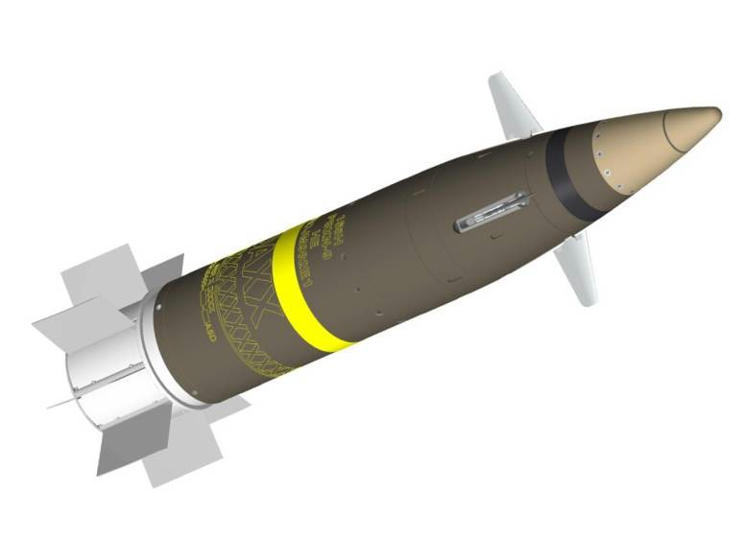
Excalibur Precision 155mm Projectiles (Excalibur)
As of FY 2017 President's Budget
Defense Acquisition Management Information Retrieval
(DAMIR)

Table 9
Schedule
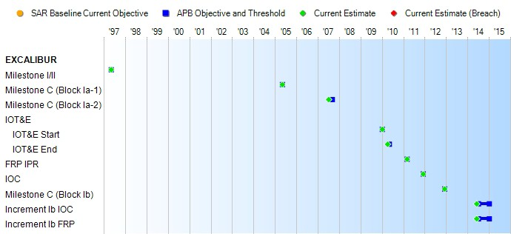
None
Schedule Events
Events | SAR Baseline Production Estimate | Current APB Production Objective/Threshold |  | Current Estimate
Milestone I/II | May 1997 | May 1997 | May 1997 | May 1997
Milestone C (Block Ia-1) | May 2005 | May 2005 | May 2005 | May 2005
Milestone C (Block Ia-2) | Sep 2007 | Sep 2007 | Sep 2007 | Jul 2007
IOT&E
IOT&E Start | Jan 2010 | Jan 2010 | Jan 2010 | Jan 2010
IOT&E End | May 2010 | May 2010 | May 2010 | Apr 2010
FRP IPR | Mar 2011 | Mar 2011 | Mar 2011 | Mar 2011
IOC | Oct 2011 | Dec 2011 | Dec 2011 | Dec 2011
Milestone C (Block Ib) | Jun 2012 | Dec 2012 | Dec 2012 | Dec 2012
Increment Ib IOC | Mar 2014 | Jul 2014 | Jan 2015 | Jun 2014
Increment Ib FRP | Mar 2014 | Jul 2014 | Jan 2015 | Jun 2014
Change Explanations

Table 29
Unit Cost History
Item |  |  |  |  |  |  |  | Date |  |  |  | BY 2007 $M |  |  |  |  |  |  |  | TY $M
 |  |  |  |  |  |  |  |  |  |  |  | PAUC |  |  | APUC |  |  |  |  | PAUC |  |  |  | APUC

Original APB |  |  |  |  | Oct 2004 |  |  |  |  |  |  | 0.072 |  |  |  |  | 0.039 |  |  |  | 0.076 |  |  |  | 0.045
APB as of January 2006 |  |  |  |  | Oct 2004 |  |  |  |  |  |  | 0.072 |  |  |  |  | 0.039 |  |  |  | 0.076 |  |  |  | 0.045
Revised Original APB |  |  |  |  | Mar 2011 |  |  |  |  |  |  | 0.221 |  |  |  |  | 0.095 |  |  |  | 0.225 |  |  |  | 0.102
Prior APB |  |  |  |  | Dec 2012 |  |  |  |  |  |  | 0.228 |  |  |  |  | 0.101 |  |  |  | 0.233 |  |  |  | 0.109
Current APB |  |  |  |  | Jun 2014 |  |  |  |  |  |  | 0.226 |  |  |  |  | 0.099 |  |  |  | 0.232 |  |  |  | 0.108
Prior Annual SAR |  |  |  |  | Dec 2014 |  |  |  |  |  |  | 0.224 |  |  |  |  | 0.099 |  |  |  | 0.229 |  |  |  | 0.107
Current Estimate |  |  |  |  | Dec 2015 |  |  |  |  |  |  | 0.218 |  |  |  |  | 0.099 |  |  |  | 0.224 |  |  |  | 0.108
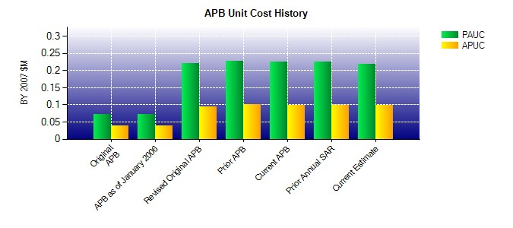
SAR Unit Cost History
Initial SAR Baseline to Current SAR Baseline (TY $M)
Initial PAUC Development Estimate | Changes |  |  |  |  |  |  |  |  |  |  |  |  |  |  |  |  |  |  |  |  |  | PAUC Production Estimate
 | Econ |  | Qty |  |  | Sch |  |  | Eng |  | Est |  |  | Oth |  | Spt |  |  | Total
0.063 -0.005 0.142 0.011 0.006 0.006 0.000 0.000 0.160 0.225
Current SAR Baseline to Current Estimate (TY $M)
PAUC Production Estimate |  | Changes |  |  |  |  |  |  |  |  |  |  |  |  |  |  |  |  |  |  |  | PAUC Current Estimate
 |  | Econ |  | Qty |  |  | Sch |  |  | Eng | Est |  | Oth |  | Spt |  |  | Total
0.225 0.000 -0.006 0.000 0.004 0.001 0.000 0.000 -0.001 0.224

